ART
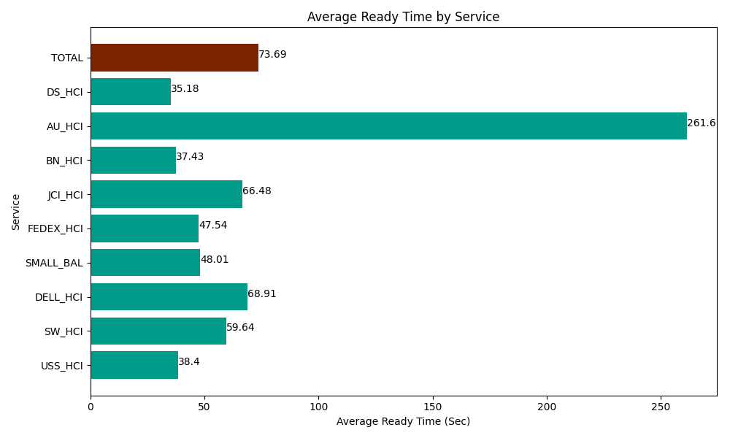
Date | Service | Successful Op Transfer | In Call (Sec) | Ready (Sec) | Wrapup (Sec) | Not Ready (Sec) | Average Ready Time (Sec)
03-27-2024 | USS_HCI | 144 | 26582.999268 | 5530.1998901 | 17743.200073 | 6940.8000183 | 38.4
03-27-2024 | SW_HCI | 80 | 3544.1999817 | 4771.1997986 | 8269.2004395 | 5433.0001831 | 59.64
03-27-2024 | DELL_HCI | 89 | 7246.1997986 | 6133.2000732 | 17642.999268 | 6904.8001099 | 68.91
03-27-2024 | SMALL_BAL | 158 | 10135.19989 | 7585.1998901 | 18040.799561 | 10191.000366 | 48.01
03-27-2024 | FEDEX_HCI | 75 | 6601.7999268 | 3565.1998901 | 4747.7998352 | 5794.8001099 | 47.54
03-27-2024 | JCI_HCI | 285 | 27169.200439 | 18947.999268 | 41461.801758 | 6769.8001099 | 66.48
03-27-2024 | BN_HCI | 458 | 44473.798828 | 17143.800659 | 57852.000732 | 43015.198975 | 37.43
03-27-2024 | AU_HCI | 3 | 9.0000003576 | 784.79999542 | 109.80000257 | 4.7999998927 | 261.6
03-27-2024 | DS_HCI | 616 | 34607.999268 | 21667.800293 | 69283.798828 | 67471.201172 | 35.18
 | TOTAL | 1908 | 160370.3974 | 86129.399757 | 235151.4005 | 152525.40104 | 73.69

